Deviations
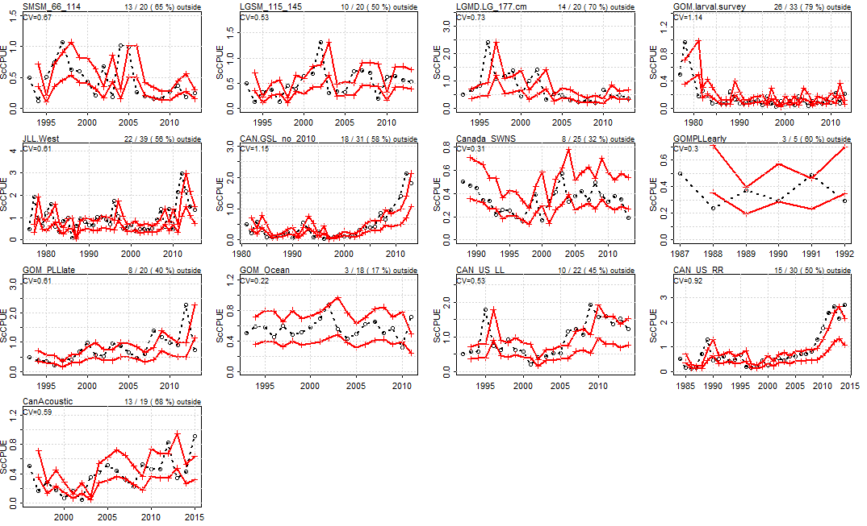
%deviations from production model
Bay of Biscay Baitboat | 45%
Morocco and Spanish traps | 62%
Juvenile western Mediterranean
Japanese East&Med LL | 53%
Japanese East LL | 64%
Japanese West LL | 56%
US Rod and Reel Indices | 62%
US Pelagic longline logbook | 50%
Larval survey | 79%
Southern Gulf of St. Lawrence | 58%
Southwest Nova Scotia | 32%
French Aerial survey | 67%
Tunsian PS | 50%
Moroccan trap | 62%
Gulf of Mexico, Oceanographic index | 17%
Purseiners Balfegó (Balearic Isl) | 0%
Western Mediterranean larval index | 57%
Portugal tuna trap
Potential larval survival | 57%
Canadian Acoustics | 68%
Joint USA/CAN rod and reel | 50%
Joint USA/CAN PLL | 46%
Sardinian Traps | 47%
 | PercOut | Nout | Ntot | CV |  |  | CV | %out |  | PercOut | Nout | Ntot | CV
SMSM_66_114 | 0.65 | 13 | 20 | 0.66987719757 | Bay of Biscay Baitboat | CV=0.48 %Devs 0.45 | 48% | 45% | SP_BB1 | 0.3 | 3 | 10 | 0.43241319954
LGSM_115_145 | 0.5 | 10 | 20 | 0.53194040607 | Morocco and Spanish traps | CV=1.25 %Devs 0.62 | 125% | 62% | SP_BB2 | 0.465 | 20 | 43 | 0.62882339435
LGMD.LG_177.cm | 0.7 | 14 | 20 | 0.73451457023 | Juvenile western Mediterranean | CV=0 %Devs 0 |  |  | SP_BB3 | 0.571 | 4 | 7 | 0.38953657134
GOM.larval.survey | 0.788 | 26 | 33 | 1.1387362047 | Japanese East&Med LL | CV=0.49 %Devs 0.53 | 49% | 53% | MOR_SPN_TRAP | 0.438 | 14 | 32 | 0.79642991419
JLL.West | 0.564 | 22 | 39 | 0.61056208831 | Japanese East LL | CV=1.12 %Devs 0.64 | 112% | 64% | JPN_LLAtlMed | 0.529 | 18 | 34 | 0.48541390671
CAN.GSL_no_2010 | 0.581 | 18 | 31 | 1.1473394903 | Japanese West LL | CV=0.61 %Devs 0.56 | 61% | 56% | JPN_LLNEAtl | 0.64 | 16 | 25 | 1.1248178583
Canada_SWNS | 0.32 | 8 | 25 | 0.30886054847 | US Rod and Reel Indices | CV=0.65 %Devs 0.62 | 65% | 62% | Norway_PS | 0.44 | 11 | 25 | 0.4811674481
GOMPLLearly | 0.6 | 3 | 5 | 0.29866150613 | US Pelagic longline logbook | CV=0.45 %Devs 0.5 | 45% | 50% | FrnAerial | 0.667 | 6 | 9 | 0.7094266572
GOM_PLLlate | 0.4 | 8 | 20 | 0.60953810128 | Larval survey | CV=1.14 %Devs 0.79 | 114% | 79% | Mor_Trap | 0.621 | 18 | 29 | 1.2476694742
GOM_Ocean | 0.167 | 3 | 18 | 0.21562846849 | Southern Gulf of St. Lawrence | CV=1.15 %Devs 0.58 | 115% | 58% | Balf_PS | 0 | 0 | 15 | 0.095377878546
CAN_US_LL | 0.455 | 10 | 22 | 0.5316136655 | Southwest Nova Scotia | CV=0.31 %Devs 0.32 | 31% | 32% | Larval | 0.571 | 4 | 7 | 1.0350780716
CAN_US_RR | 0.5 | 15 | 30 | 0.91662417871 | French Aerial survey | CV=0.71 %Devs 0.67 | 71% | 67% | TunisiaPS | 0.5 | 3 | 6 | 0.37767626364
CanAcoustic | 0.684 | 13 | 19 | 0.58739300515 | Tunsian PS | CV=0.38 %Devs 0.5 | 38% | 50% | LarvalSurvival | 0.333 | 5 | 15 | 0.19258458033
 |  |  |  |  | Moroccan trap | CV=1.25 %Devs 0.62 | 125% | 62% | sardinia_trp | 0.471 | 8 | 17 | 0.33994549524
 |  |  |  |  | Gulf of Mexico, Oceanographic index | CV=0.22 %Devs 0.17 | 22% | 17%
 |  |  |  |  | Purseiners Balfegó (Balearic Isl) | CV=0.1 %Devs 0 | 10% | 0%
 |  |  |  |  | Western Mediterranean larval index | CV=1.04 %Devs 0.57 | 104% | 57%
 |  |  |  |  | Portugal tuna trap | CV=0 %Devs 0
 |  |  |  |  | Potential larval survival | CV=0.19 %Devs 0.57 | 19% | 57%
 |  |  |  |  | Canadian Acoustics | CV=0.59 %Devs 0.68 | 59% | 68%
 |  |  |  |  | Joint USA/CAN rod and reel | CV=0.92 %Devs 0.5 | 92% | 50%
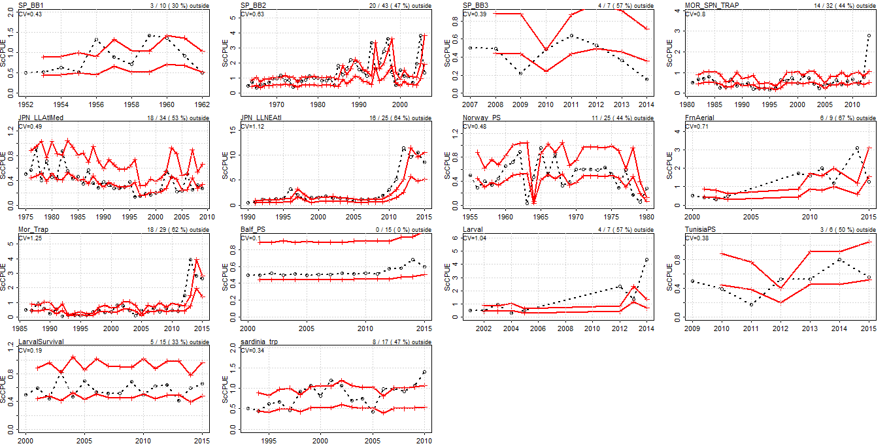
 |  |  |  |  | Joint USA/CAN PLL | CV=0.53 %Devs 0.46 | 53% | 46%
CV
Bay of Biscay Baitboat | 48%
Morocco and Spanish traps | 125%
Juvenile western Mediterranean
Japanese East&Med LL | 49%
Japanese East LL | 112%
Japanese West LL | 61%
US Rod and Reel Indices | 65%
US Pelagic longline logbook | 45%
Larval survey | 114%
Southern Gulf of St. Lawrence | 115%
Southwest Nova Scotia | 31%
French Aerial survey | 71%
Tunsian PS | 38%
Moroccan trap | 125%
Gulf of Mexico, Oceanographic index | 22%
Purseiners Balfegó (Balearic Isl) | 10%
Western Mediterranean larval index | 104%
Portugal tuna trap
Potential larval survival | 19%
Canadian Acoustics | 59%
Joint USA/CAN rod and reel | 92%
Joint USA/CAN PLL | 53%
Sardinian Traps | 34%
 |  |  |  |  | Sardinian Traps | CV=0.34 %Devs 0.47 | 34% | 47%
 |  |  |  |  | GBYP Aerial Survey on Spawners | CV=0 %Devs 0
 |  |  |  |  | Acoustic Juvenile (Bay of Biscay) | CV=0 %Devs 0

